BUG01
Bug report number | BUG01

Summary | Saving one or more spaces as Computers Name

Description | When filling the form for adding a new computer, entering one or more spaces in "Computer name" field allows creating a computer.

Steps to reproduce
1 | Open website https://computer-database.gatling.io/
2 | Choose "Add a new computer"
3 | Enter one or couple of spaces in " Computer name" field.
4 | Select "Save this Computer"
5

Expected result | Creating a computer is not allowed, field " Computer name" turns red and we see a warning message.

Actual result | Computer has been created.

Priority | High

severity | High

Repro rate | 100%
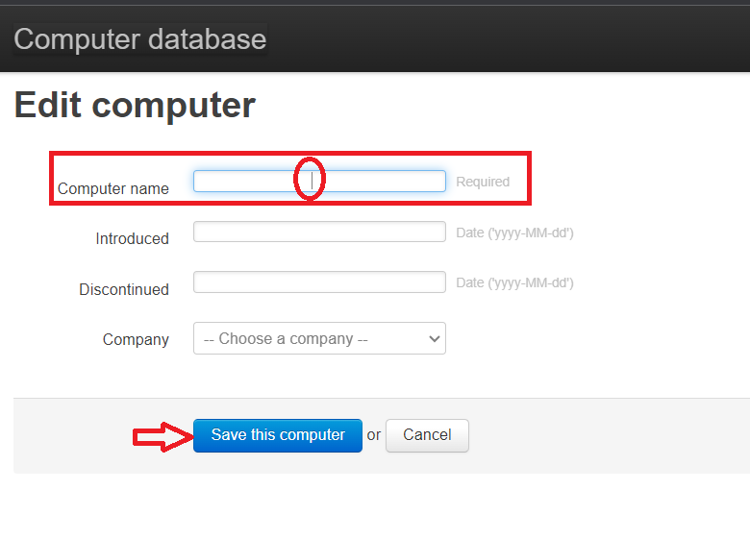
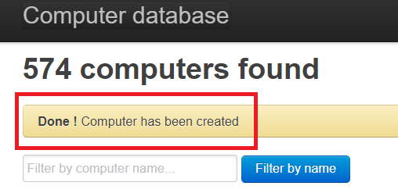
Screenshot

BUG03
Bug report number | BUG03

Summary | Creating computer with date entry in invalid format

Description | When filling the form for adding a new computer, entering date in invaid format ,in field"Introduced" allows creating a computer.

Steps to reproduce
1 | Open website https://computer-database.gatling.io/
2 | Choose "Add a new computer"
3 | Enter data in the field "Computer name"
4 | Enter invalid format for date in "Introduced"
5 | Select "Save this Computer"

Expected result | Creating a computer is not allowed, field " Introduced" turns red and we see a warning message.

Actual result | Computer has been created.

Priority | Low

severity | Low

Repro rate | 100%
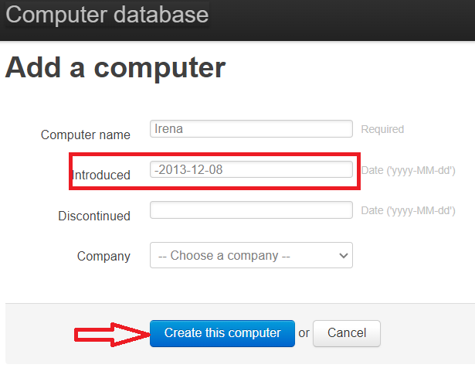
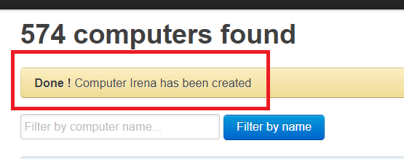
Screenshot

